Figures
Figure S1: This is an illustration of the mechanism used to keep guild metabolites separate in |  | Figure S2: This is an illustration of the mechanism used to pool the metabolites in the pooled reactions |  | Figure S3: This is an illustration of the method used to nest elementary mode calculations. First,
 | the compartmentalized model. Suffixes differentiated up to four mass-balanced |  | analysis method. A single suffix allowed universal access to all metabolites by all enzymes. |  | elementary modes are calculated separately for each organism. A subset of these modes is
 | versions of each shared metabolite. |  |  |  | chosen (based on the guild behaviors to be modeled) and used as input for calculation of
 |  |  |  |  | community elementary modes. In this example, first-round (organismal) modes were
 |  |  |  |  | chosen to represent cyanobacterial reduction of CO2 to acetate and FAP oxidation of acetate
 |  |  |  |  | to fuel growth (first text box). These modes combine as shown during the second round of
 |  |  |  |  | processing, and the final output is a community elementary mode describing an interaction
 |  |  |  |  | between guilds (second text box).
acetate_fap
acetate_srb
12 hv_ext + 2 CO₂_ext = acetate_ext + 4 O₂_ext
2 acetate_ext + 6 O₂_ext = biomass_fap + 3 CO₂_ext
2
acetate_syn
24 hv_ext + CO₂_ext = biomass_fap + 2 O₂_ext
2x
1x
+

CompDay
Daylight Compartmentalized Model
external metabolites | ATPex_fap
 | bm_fap
 | CO2ex_gen
 | ATPex_srb
 | bm_srb
 | H2Sex_gen
 | SO4ex_gen
 | polyglcex_gen
 | ATPex_syn
 | bm_syn
 | N2ex_gen
 | NH3_syn
 | hv_gen
 | O2ex_gen
 | H2ex_gen
 | PHB_fap
 | cypc_syn
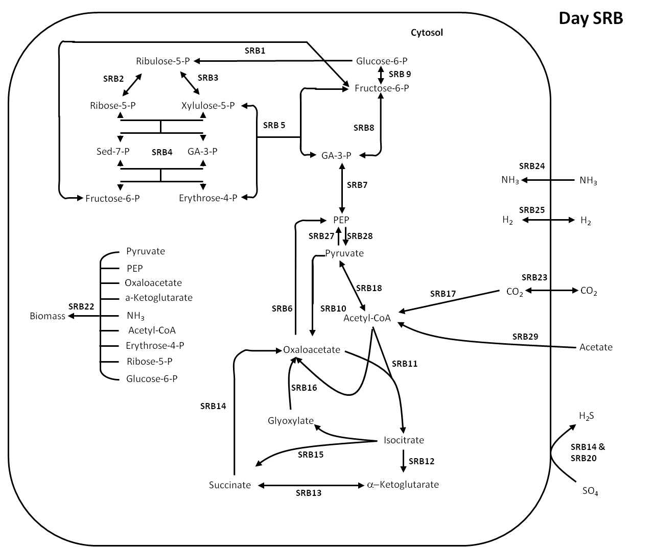
Reaction 1: srb1 : | glc6p_srb ==> CO2_srb + 2 NADH_srb + rbl5p_srb
Reaction 2: srb2 : | rbl5p_srb <==> rbo5p_srb
Reaction 3: srb3 : | rbl5p_srb <==> xll5p_srb
Reaction 4: srb4 : | rbo5p_srb + xll5p_srb <==> ery4p_srb + fru6p_srb
Reaction 5: srb5 : | ery4p_srb + xll5p_srb <==> fru6p_srb + ga3p_srb
Reaction 6: srb6 : | ATP_srb + oaa_srb ==> CO2_srb + PEP_srb
Reaction 7: srb7 : | ATP_srb + NADH_srb + PEP_srb <==> ga3p_srb
Reaction 8: srb8 : | 2 ga3p_srb <==> ATP_srb + fru6p_srb
Reaction 9: srb9 : | fru6p_srb <==> glc6p_srb
Reaction 10: srb10 : | ATP_srb + CO2_srb + pyr_srb ==> oaa_srb
Reaction 11: srb11 : | ac_CoA_srb + oaa_srb ==> icit_srb
Reaction 12: srb12 : | icit_srb ==> akg_srb + CO2_srb + NADH_srb
Reaction 13: srb13 : | akg_srb <==> ATP_srb + CO2_srb + NADH_srb + succ_srb
Reaction 14: srb14 : | SO4ex_gen + 2 succ_srb ==> 0.25 ATP_srb + H2Sex_gen + 2 oaa_srb
Reaction 15: srb15 : | icit_srb ==> glyox_srb + succ_srb
Reaction 16: srb16 : | ac_CoA_srb + glyox_srb ==> NADH_srb + oaa_srb
Reaction 17: srb17 : | ATP_srb + 2 CO2_srb + 4 NADH_srb ==> ac_CoA_srb
Reaction 18: srb18 : | ac_CoA_srb + CO2_srb + NADH_srb <==> pyr_srb
Reaction 19: srb19 : | H2_srb ==> NADH_srb
Reaction 20: srb20 : | 4 NADH_srb + SO4ex_gen ==> 0.75 ATP_srb + H2Sex_gen
Reaction 21: srb21 : | ATP_srb ==> ATPex_srb
Reaction 22: srb22 : | 1.233 ac_CoA_srb + 1.472 akg_srb + 50 ATP_srb + 0.531 ery4p_srb + 0.069 glc6p_srb + 14.653 NADH_srb + 12.513 NH3_srb + 2.379 oaa_srb + 2.67 PEP_srb + 4.057 pyr_srb + 0.787 rbo5p_srb ==> bm_srb
Reaction 23: srb23 : | CO2ex_gen <==> CO2_srb
Reaction 24: srb24 : | NH3ex_gen ==> NH3_srb
Reaction 25: srb25 : | H2pool_gen <==> H2_srb
Reaction 26: srb26 : | ATP_srb + 4 NADH_srb ==> 4 H2_srb
Reaction 27: srb27 : | 2 ATP_srb + pyr_srb ==> PEP_srb
Reaction 28: srb28 : | PEP_srb ==> ATP_srb + pyr_srb
Reaction 29: srb29 : | ATP_srb + ac_pool ==> ac_CoA_srb
Reaction 30: fap1 : | fru6p_fap ==> glc6p_fap
Reaction 31: fap2 : | ATP_fap + fru6p_fap <==> 2 ga3p_fap
Reaction 32: fap3 : | ATP_fap + NADH_fap + PEP_fap ==> ga3p_fap
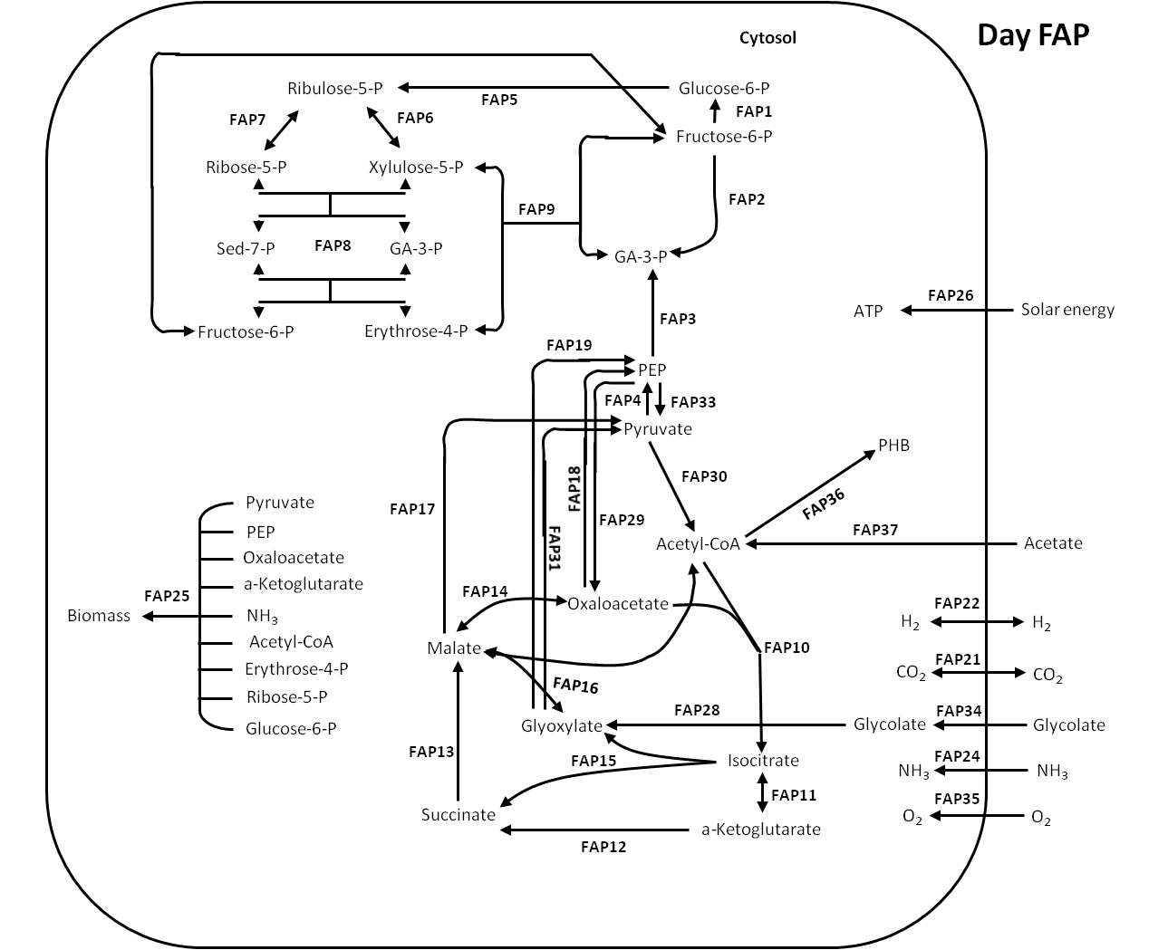
Reaction 33: fap4 : | 2 ATP_fap + pyr_fap ==> PEP_fap
Reaction 34: fap5 : | glc6p_fap ==> CO2_fap + 2 NADH_fap + rbl5p_fap
Reaction 35: fap6 : | rbl5p_fap <==> xll5p_fap
Reaction 36: fap7 : | rbl5p_fap <==> rbo5p_fap
Reaction 37: fap8 : | rbo5p_fap + xll5p_fap <==> ery4p_fap + fru6p_fap
Reaction 38: fap9 : | ery4p_fap + xll5p_fap <==> fru6p_fap + ga3p_fap
Reaction 39: fap10 : | ac_CoA_fap + oaa_fap ==> icit_fap
Reaction 40: fap11 : | icit_fap <==> akg_fap + CO2_fap + NADH_fap
Reaction 41: fap12 : | akg_fap ==> ATP_fap + CO2_fap + NADH_fap + succ_fap
Reaction 42: fap13 : | succ_fap + 0.5 O2_fap ==> 1.25 ATP_fap + mal_fap
Reaction 43: fap14 : | mal_fap <==> NADH_fap + oaa_fap
Reaction 44: fap15 : | icit_fap ==> glyox_fap + succ_fap
Reaction 45: fap16 : | ac_CoA_fap + glyox_fap <==> mal_fap
Reaction 46: fap17 : | mal_fap ==> CO2_fap + NADH_fap + pyr_fap
Reaction 47: fap18 : | ATP_fap + oaa_fap ==> CO2_fap + PEP_fap
Reaction 48: fap19 : | ATP_fap + 2 glyox_fap + NADH_fap ==> CO2_fap + PEP_fap
Reaction 49: fap20 : | ATP_fap ==> ATPex_fap
Reaction 50: fap21 : | CO2_fap <==> CO2ex_gen
Reaction 51: fap22 : | H2pool_gen <==> H2_fap
Reaction 52: fap23 : | H2_fap ==> NADH_fap
Reaction 53: fap24 : | NH3ex_gen ==> NH3_fap
Reaction 54: fap25 : | 1.233 ac_CoA_fap + 1.472 akg_fap + 50 ATP_fap + 0.531 ery4p_fap + 0.069 glc6p_fap + 14.653 NADH_fap + 12.513 NH3_fap + 2.379 oaa_fap + 2.67 PEP_fap + 4.057 pyr_fap + 0.787 rbo5p_fap ==> bm_fap
Reaction 55: fap26 : | 2 hv_gen ==> ATP_fap
Reaction 56: fap27 : | 2 NADH_fap + O2_fap ==> 5 ATP_fap
Reaction 57: fap28 : | glyc_fap ==> glyox_fap + NADH_fap
Reaction 58: fap29 : | CO2_fap + PEP_fap ==> oaa_fap
Reaction 59: fap30 : | pyr_fap ==> ac_CoA_fap + CO2_fap + NADH_fap
Reaction 60: fap31 : | 4 ATP_fap + CO2_fap + glyox_fap + 3 NADH_fap ==> pyr_fap
Reaction 61: fap32 : | ATP_fap + 4 NADH_fap ==> 4 H2_fap
Reaction 62: fap33 : | PEP_fap ==> ATP_fap + pyr_fap
Reaction 63: fap34 : | glycpool_gen ==> glyc_fap
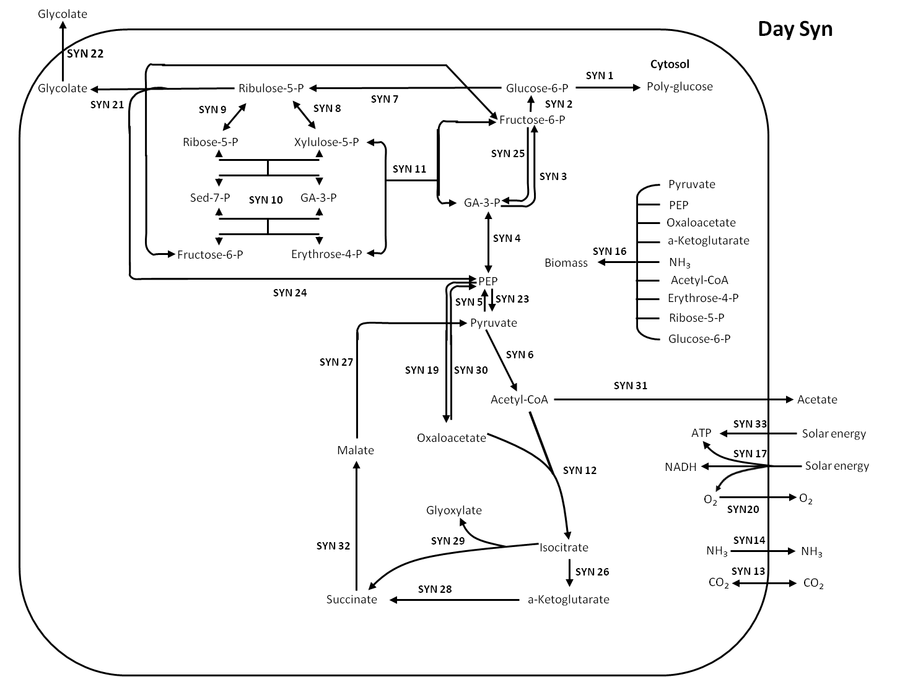
Reaction 64: fap35 : | O2expool_gen ==> O2_fap
Reaction 65: fap36 : | 2 ac_CoA_fap + NADH_fap ==> PHB_fap
Reaction 66: fap37 : | 2 ATP_fap + ac_pool ==> ac_CoA_fap
Reaction 67: syn1 : | ATP_syn + glc6p_syn ==> polyglcex_gen
Reaction 68: syn2 : | fru6p_syn ==> glc6p_syn
Reaction 69: syn3 : | 2 ga3p_syn ==> fru6p_syn
Reaction 70: syn4 : | ga3p_syn <==> ATP_syn + NADH_syn + PEP_syn
Reaction 71: syn5 : | 2 ATP_syn + pyr_syn ==> PEP_syn
Reaction 72: syn6 : | pyr_syn ==> ac_CoA_syn + CO2_syn + NADH_syn
Reaction 73: syn7 : | glc6p_syn ==> CO2_syn + 2 NADH_syn + rbl5p_syn
Reaction 74: syn8 : | rbl5p_syn <==> xll5p_syn
Reaction 75: syn9 : | rbl5p_syn <==> rbo5p_syn
Reaction 76: syn10 : | rbo5p_syn + xll5p_syn <==> ery4p_syn + fru6p_syn
Reaction 77: syn11 : | ery4p_syn + xll5p_syn <==> fru6p_syn + ga3p_syn
Reaction 78: syn12 : | ac_CoA_syn + oaa_syn ==> icit_syn
Reaction 79: syn13 : | CO2_syn <==> CO2ex_gen
Reaction 80: syn14 : | NH3_syn ==> NH3ex_gen
Reaction 81: syn15 : | ATP_syn ==> ATPex_syn
Reaction 82: syn16 : | 1.233 ac_CoA_syn + 1.472 akg_syn + 50 ATP_syn + 0.531 ery4p_syn + 0.069 glc6p_syn + 14.653 NADH_syn + 12.513 NH3_syn + 2.379 oaa_syn + 2.67 PEP_syn + 4.057 pyr_syn + 0.787 rbo5p_syn ==> bm_syn
Reaction 83: syn17 : | 8 hv_gen ==> 3 ATP_syn + 2 NADH_syn + O2_syn
Reaction 84: syn18 : | 2 NADH_syn + O2_syn ==> 5 ATP_syn
Reaction 85: syn19 : | CO2_syn + PEP_syn ==> oaa_syn
Reaction 86: syn20 : | O2_syn ==> O2expool_gen
Reaction 87: syn21 : | ATP_syn + rbl5p_syn + O2_syn ==> PEP_syn + glyc_syn
Reaction 88: syn22 : | glyc_syn ==> glycpool_gen
Reaction 89: syn23 : | PEP_syn ==> ATP_syn + pyr_syn
Reaction 90: syn24 : | ATP_syn + CO2_syn + rbl5p_syn ==> 2 PEP_syn
Reaction 91: syn25 : | ATP_syn + fru6p_syn ==> 2 ga3p_syn
Reaction 92: syn26 : | icit_syn ==> akg_syn + CO2_syn + NADH_syn
Reaction 93: syn27 : | mal_syn ==> CO2_syn + NADH_syn + pyr_syn
Reaction 94: syn28 : | akg_syn ==> ATP_syn + CO2_syn + NADH_syn + succ_syn
Reaction 95: syn29 : | icit_syn ==> succ_syn + glyox_syn
Reaction 96: syn30 : | ATP_syn + oaa_syn ==> CO2_syn + PEP_syn
Reaction 97: syn31 : | ac_CoA_syn ==> ATP_syn + ac_pool
Reaction 98: syn32 : | O2_syn + 2 succ_syn ==> 2.5 ATP_syn + 2 mal_syn
Reaction 99: syn33 : | 2 hv_gen ==> ATP_syn
Reaction 100: pool1 : | H2pool_gen ==> H2ex_gen
Reaction 101: pool2 : | O2expool_gen ==> O2ex_gen

CompNight
Nighttime Compartmentalized Model
external metabolites | ATPex_fap
 | bm_fap
 | CO2ex_gen
 | H2ex_gen
 | ATPex_srb
 | bm_srb
 | H2Sex_gen
 | SO4ex_gen
 | polyglcex_gen
 | ATPex_syn
 | bm_syn
 | N2ex_gen
 | PHB_fap
 | cypc_syn
Reaction 1: pool1 : | H2pool_gen ==> H2ex_gen
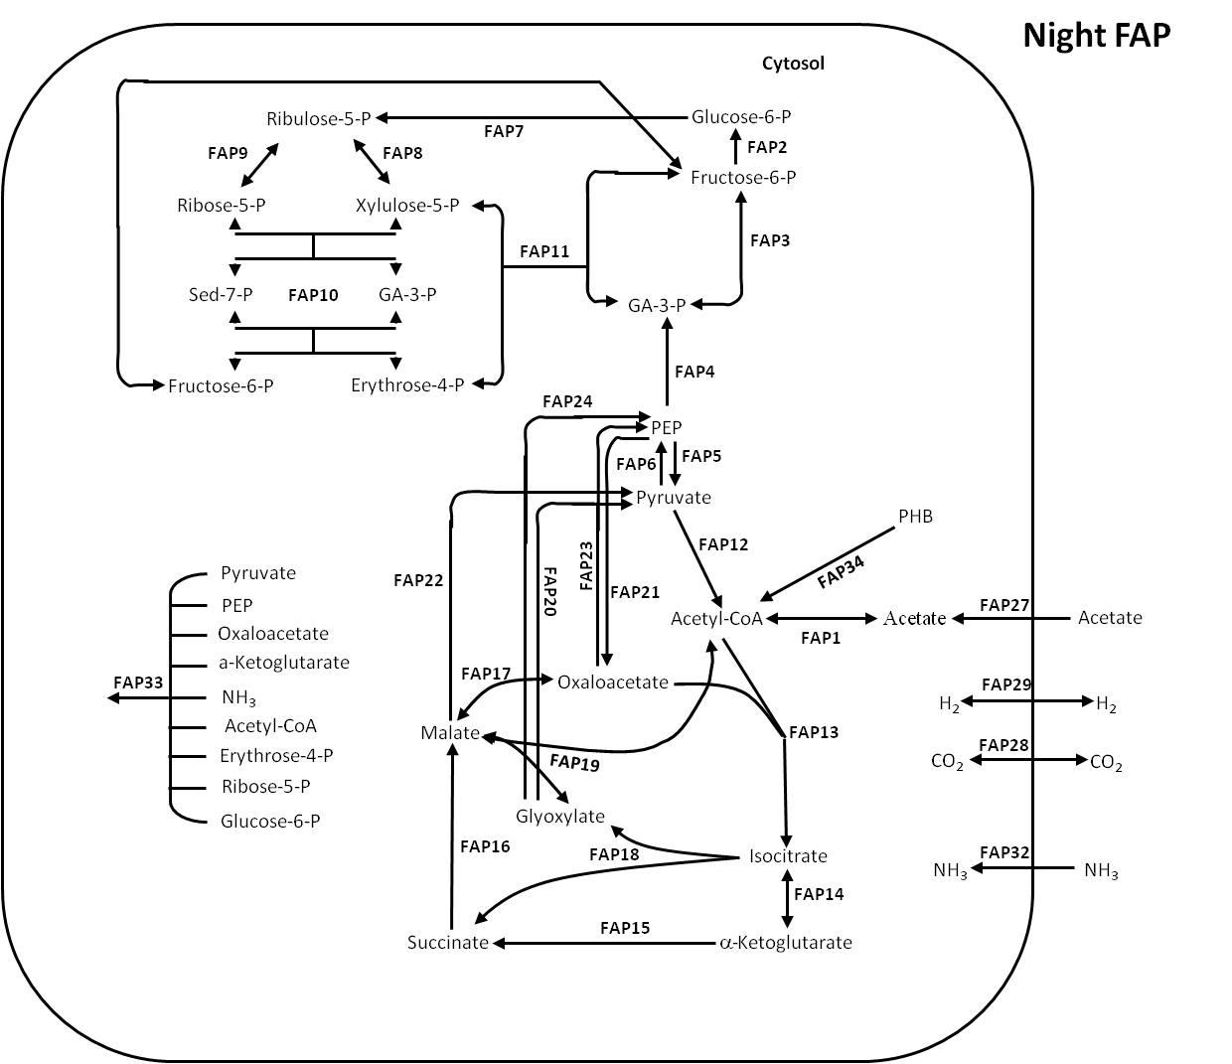
Reaction 2: fap1 : | ac_fap + ATP_fap <==> ac_CoA_fap
Reaction 3: fap2 : | fru6p_fap ==> glc6p_fap
Reaction 4: fap3 : | 2 ga3p_fap <==> ATP_fap + fru6p_fap
Reaction 5: fap4 : | ATP_fap + NADH_fap + PEP_fap ==> ga3p_fap
Reaction 6: fap5 : | PEP_fap ==> ATP_fap + pyr_fap
Reaction 7: fap6 : | 2 ATP_fap + pyr_fap ==> PEP_fap
Reaction 8: fap7 : | glc6p_fap ==> CO2_fap + 2 NADH_fap + rbl5p_fap
Reaction 9: fap8 : | rbl5p_fap <==> xll5p_fap
Reaction 10: fap9 : | rbl5p_fap <==> rbo5p_fap
Reaction 11: fap10 : | rbo5p_fap + xll5p_fap <==> ery4p_fap + fru6p_fap
Reaction 12: fap11 : | ery4p_fap + xll5p_fap <==> fru6p_fap + ga3p_fap
Reaction 13: fap12 : | pyr_fap ==> ac_CoA_fap + CO2_fap + NADH_fap
Reaction 14: fap13 : | ac_CoA_fap + oaa_fap ==> icit_fap
Reaction 15: fap14 : | icit_fap <==> akg_fap + CO2_fap + NADH_fap
Reaction 16: fap15 : | akg_fap ==> ATP_fap + CO2_fap + NADH_fap + succ_fap
Reaction 17: fap16 : | 2 succ_fap + O2_fap ==> 2.5 ATP_fap + 2 mal_fap
Reaction 18: fap17 : | mal_fap <==> NADH_fap + oaa_fap
Reaction 19: fap18 : | icit_fap ==> glyox_fap + succ_fap
Reaction 20: fap19 : | ac_CoA_fap + glyox_fap <==> mal_fap
Reaction 21: fap20 : | 4 ATP_fap + CO2_fap + glyox_fap + 3 NADH_fap ==> pyr_fap
Reaction 22: fap21 : | CO2_fap + PEP_fap ==> oaa_fap
Reaction 23: fap22 : | mal_fap ==> CO2_fap + NADH_fap + pyr_fap
Reaction 24: fap23 : | ATP_fap + oaa_fap ==> CO2_fap + PEP_fap
Reaction 25: fap24 : | ATP_fap + 2 glyox_fap + NADH_fap ==> CO2_fap + PEP_fap
Reaction 26: fap25 : | 2 NADH_fap + O2_fap ==> 5 ATP_fap
Reaction 27: fap26 : | ATP_fap ==> ATPex_fap
Reaction 28: fap27 : | acpool_gen ==> ac_fap
Reaction 29: fap28 : | CO2_fap <==> CO2ex_gen
Reaction 30: fap29 : | H2pool_gen <==> H2_fap
Reaction 31: fap30 : | H2_fap ==> NADH_fap
Reaction 32: fap31 : | ATP_fap + 4 NADH_fap ==> 4 H2_fap
Reaction 33: fap32 : | NH3ex_gen ==> NH3_fap
Reaction 34: fap33 : | 1.233 ac_CoA_fap + 1.472 akg_fap + 50 ATP_fap + 0.531 ery4p_fap + 0.069 glc6p_fap + 14.653 NADH_fap + 12.513 NH3_fap + 2.379 oaa_fap + 2.67 PEP_fap + 4.057 pyr_fap + 0.787 rbo5p_fap ==> bm_fap
Reaction 35: fap34 : | 2 ATP_fap + PHB_fap ==> 2 ac_CoA_fap + NADH_fap
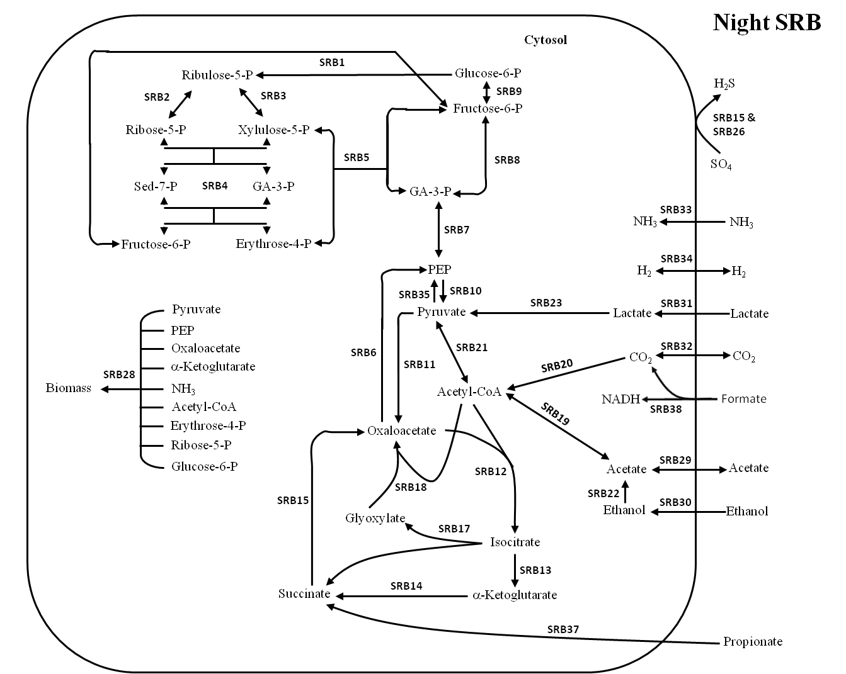
Reaction 36: srb1 : | glc6p_srb ==> CO2_srb + 2 NADH_srb + rbl5p_srb
Reaction 37: srb2 : | rbl5p_srb <==> rbo5p_srb
Reaction 38: srb3 : | rbl5p_srb <==> xll5p_srb
Reaction 39: srb4 : | rbo5p_srb + xll5p_srb <==> ery4p_srb + fru6p_srb
Reaction 40: srb5 : | ery4p_srb + xll5p_srb <==> fru6p_srb + ga3p_srb
Reaction 41: srb6 : | ATP_srb + oaa_srb ==> CO2_srb + PEP_srb
Reaction 42: srb7 : | ATP_srb + NADH_srb + PEP_srb <==> ga3p_srb
Reaction 43: srb8 : | 2 ga3p_srb <==> ATP_srb + fru6p_srb
Reaction 44: srb9 : | fru6p_srb <==> glc6p_srb
Reaction 45: srb10 : | PEP_srb ==> ATP_srb + pyr_srb
Reaction 46: srb11 : | ATP_srb + CO2_srb + pyr_srb ==> oaa_srb
Reaction 47: srb12 : | ac_CoA_srb + oaa_srb ==> icit_srb
Reaction 48: srb13 : | icit_srb ==> akg_srb + CO2_srb + NADH_srb
Reaction 49: srb14 : | akg_srb ==> ATP_srb + CO2_srb + NADH_srb + succ_srb
Reaction 50: srb15 : | SO4ex_gen + 2 succ_srb ==> 0.25 ATP_srb + H2Sex_gen + 2 oaa_srb
Reaction 51: srb17 : | icit_srb ==> glyox_srb + succ_srb
Reaction 52: srb18 : | ac_CoA_srb + glyox_srb ==> NADH_srb + oaa_srb
Reaction 53: srb19 : | ac_srb + ATP_srb <==> ac_CoA_srb
Reaction 54: srb20 : | ATP_srb + 2 CO2_srb + 4 NADH_srb ==> ac_CoA_srb
Reaction 55: srb21 : | ac_CoA_srb + CO2_srb + NADH_srb <==> pyr_srb
Reaction 56: srb22 : | etoh_srb ==> ac_srb + 2 NADH_srb
Reaction 57: srb23 : | lac_srb ==> NADH_srb + pyr_srb
Reaction 58: srb24 : | 4 H2_srb ==> 4 NADH_srb
Reaction 59: srb25 : | ATP_srb + 4 NADH_srb ==> 4 H2_srb
Reaction 60: srb26 : | 4 NADH_srb + SO4ex_gen ==> 0.75 ATP_srb + H2Sex_gen
Reaction 61: srb27 : | ATP_srb ==> ATPex_srb
Reaction 62: srb28 : | 1.233 ac_CoA_srb + 1.472 akg_srb + 50 ATP_srb + 0.531 ery4p_srb + 0.069 glc6p_srb + 14.653 NADH_srb + 12.513 NH3_srb + 2.379 oaa_srb + 2.67 PEP_srb + 4.057 pyr_srb + 0.787 rbo5p_srb ==> bm_srb
Reaction 63: srb29 : | acpool_gen <==> ac_srb
Reaction 64: srb30 : | etohpool_gen ==> etoh_srb
Reaction 65: srb31 : | lacpool_gen ==> lac_srb
Reaction 66: srb32 : | CO2ex_gen <==> CO2_srb
Reaction 67: srb33 : | NH3ex_gen ==> NH3_srb
Reaction 68: srb34 : | H2pool_gen <==> H2_srb
Reaction 69: srb35 : | 2 ATP_srb + pyr_srb ==> PEP_srb
Reaction 70: srb37 : | ATP_srb + CO2_srb + prop_pool ==> succ_srb
Reaction 71: srb38 : | form_pool ==> CO2_srb + NADH_srb
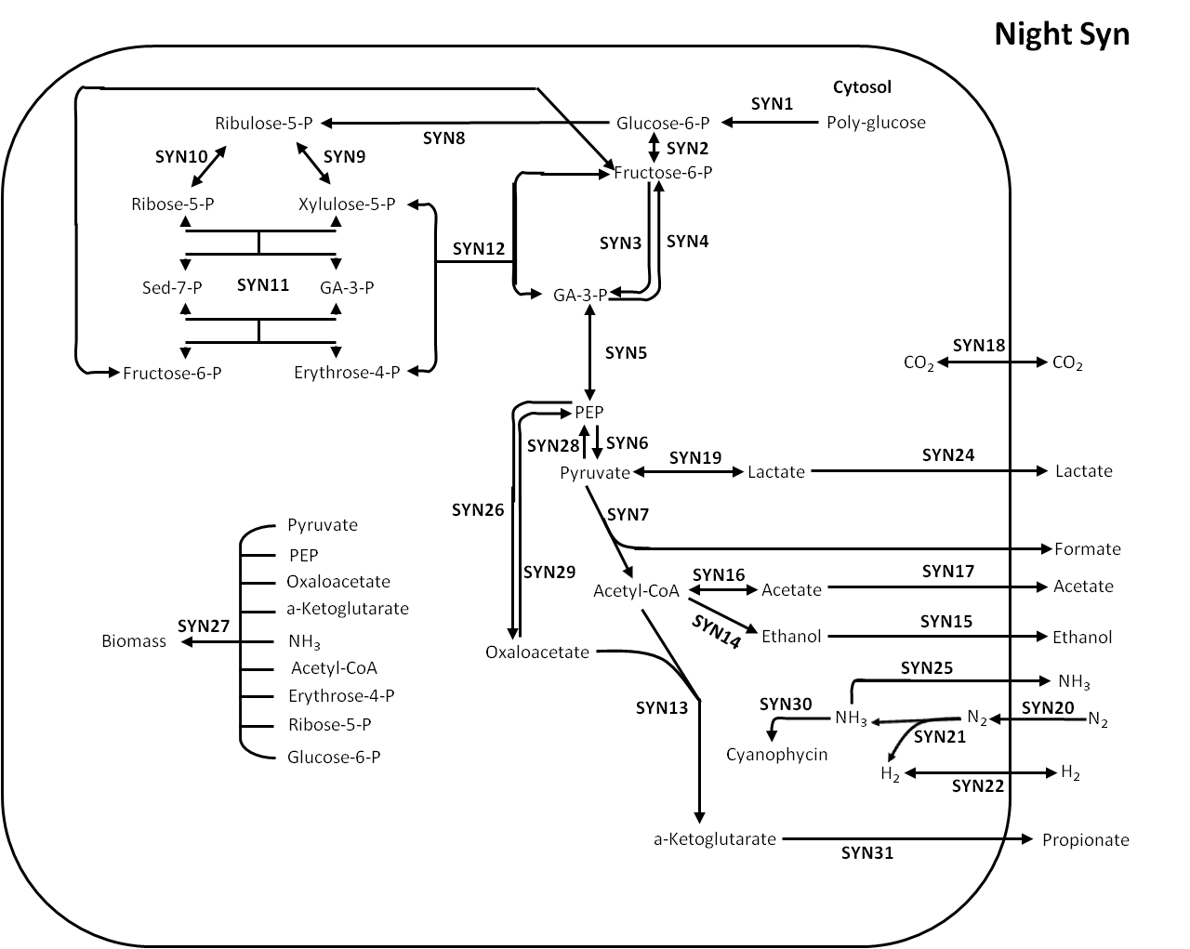
Reaction 72: syn1 : | polyglcex_gen + ATP_syn ==> glc6p_syn
Reaction 73: syn2 : | glc6p_syn <==> fru6p_syn
Reaction 74: syn3 : | ATP_syn + fru6p_syn ==> 2 ga3p_syn
Reaction 75: syn4 : | 2 ga3p_syn ==> fru6p_syn
Reaction 76: syn5 : | ga3p_syn <==> ATP_syn + NADH_syn + PEP_syn
Reaction 77: syn6 : | PEP_syn ==> ATP_syn + pyr_syn
Reaction 78: syn7 : | pyr_syn ==> ac_CoA_syn + form_pool
Reaction 79: syn8 : | glc6p_syn ==> CO2_syn + 2 NADH_syn + rbl5p_syn
Reaction 80: syn9 : | rbl5p_syn <==> xll5p_syn
Reaction 81: syn10 : | rbl5p_syn <==> rbo5p_syn
Reaction 82: syn11 : | rbo5p_syn + xll5p_syn <==> ery4p_syn + fru6p_syn
Reaction 83: syn12 : | ery4p_syn + xll5p_syn <==> fru6p_syn + ga3p_syn
Reaction 84: syn13 : | ac_CoA_syn + oaa_syn ==> akg_syn + CO2_syn + NADH_syn
Reaction 85: syn14 : | ac_CoA_syn + 2 NADH_syn ==> etoh_syn
Reaction 86: syn15 : | etoh_syn ==> etohpool_gen
Reaction 87: syn16 : | ac_CoA_syn <==> ac_syn + ATP_syn
Reaction 88: syn17 : | ac_syn ==> acpool_gen
Reaction 89: syn18 : | CO2_syn <==> CO2ex_gen
Reaction 90: syn19 : | NADH_syn + pyr_syn <==> lac_syn
Reaction 91: syn20 : | N2ex_gen ==> N2_syn
Reaction 92: syn21 : | 16 ATP_syn + N2_syn + 4 NADH_syn ==> H2_syn + 2 NH3_syn
Reaction 93: syn22 : | H2_syn <==> H2pool_gen
Reaction 94: syn23 : | ATP_syn ==> ATPex_syn
Reaction 95: syn24 : | lac_syn ==> lacpool_gen
Reaction 96: syn25 : | NH3_syn ==> NH3ex_gen
Reaction 97: syn26 : | CO2_syn + PEP_syn ==> oaa_syn
Reaction 98: syn27 : | 1.233 ac_CoA_syn + 1.472 akg_syn + 50 ATP_syn + 0.531 ery4p_syn + 0.069 glc6p_syn + 14.653 NADH_syn + 12.513 NH3_syn + 2.379 oaa_syn + 2.67 PEP_syn + 4.057 pyr_syn + 0.787 rbo5p_syn ==> bm_syn
Reaction 99: syn28 : | 2 ATP_syn + pyr_syn ==> PEP_syn
Reaction 100: syn29 : | ATP_syn + oaa_syn ==> CO2_syn + PEP_syn
Reaction 101: syn30 : | ATP_syn + NH3_syn ==> cypc_syn
Reaction 102: syn31 : | akg_syn ==> 2 ATP_syn + 2 CO2_syn + NADH_syn + prop_pool

PoolDay
Daylight Pooled Model
external metabolites | ATPex_gen
 | bm_gen
 | CO2ex_gen
 | H2ex_gen
 | NH3ex_gen
 | H2Sex_gen
 | SO4ex_gen
 | polyglcex_gen
 | N2ex_gen
 | hv_gen
 | O2ex_gen
 | PHB_gen
 | cypc_syn
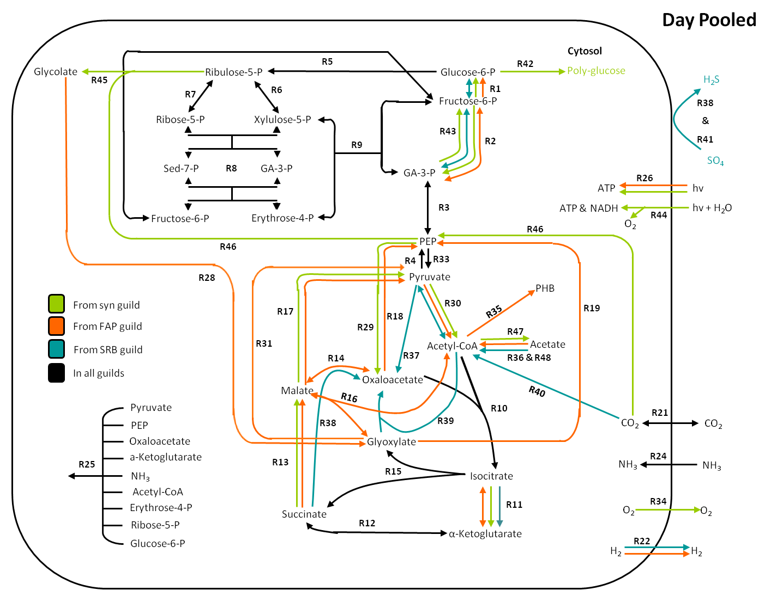
Reaction 1: R1 : | fru6p_gen <==> glc6p_gen
Reaction 2: R2 : | ATP_gen + fru6p_gen <==> 2 ga3p_gen
Reaction 3: R3 : | ATP_gen + NADH_gen + PEP_gen <==> ga3p_gen
Reaction 4: R4 : | 2 ATP_gen + pyr_gen ==> PEP_gen
Reaction 5: R5 : | glc6p_gen ==> CO2_gen + 2 NADH_gen + rbl5p_gen
Reaction 6: R6 : | rbl5p_gen <==> xll5p_gen
Reaction 7: R7 : | rbl5p_gen <==> rbo5p_gen
Reaction 8: R8 : | rbo5p_gen + xll5p_gen <==> ery4p_gen + fru6p_gen
Reaction 9: R9 : | ery4p_gen + xll5p_gen <==> fru6p_gen + ga3p_gen
Reaction 10: R10 : | ac_CoA_gen + oaa_gen ==> icit_gen
Reaction 11: R11 : | icit_gen <==> akg_gen + CO2_gen + NADH_gen
Reaction 12: R12 : | akg_gen <==> ATP_gen + CO2_gen + NADH_gen + succ_gen
Reaction 13: R13 : | succ_gen + 0.5 O2_gen ==> 1.25 ATP_gen + mal_gen
Reaction 14: R14 : | mal_gen <==> NADH_gen + oaa_gen
Reaction 15: R15 : | icit_gen ==> glyox_gen + succ_gen
Reaction 16: R16 : | ac_CoA_gen + glyox_gen <==> mal_gen
Reaction 17: R17 : | mal_gen ==> CO2_gen + NADH_gen + pyr_gen
Reaction 18: R18 : | ATP_gen + oaa_gen ==> CO2_gen + PEP_gen
Reaction 19: R19 : | ATP_gen + 2 glyox_gen + NADH_gen ==> CO2_gen + PEP_gen
Reaction 20: R20 : | ATP_gen ==> ATPex_gen
Reaction 21: R21 : | CO2_gen <==> CO2ex_gen
Reaction 22: R22 : | H2_gen ==> H2ex_gen
Reaction 23: R23 : | H2_gen ==> NADH_gen
Reaction 24: R24 : | NH3ex_gen ==> NH3_gen
Reaction 25: R25 : | 1.233 ac_CoA_gen + 1.472 akg_gen + 50 ATP_gen + 0.531 ery4p_gen + 0.069 glc6p_gen + 14.653 NADH_gen + 12.513 NH3_gen + 2.379 oaa_gen + 2.67 PEP_gen + 4.057 pyr_gen + 0.787 rbo5p_gen ==> bm_gen
Reaction 26: R26 : | 2 hv_gen ==> ATP_gen
Reaction 27: R27 : | 2 NADH_gen + O2_gen ==> 5 ATP_gen
Reaction 28: R28 : | glyc_gen ==> glyox_gen + NADH_gen
Reaction 29: R29 : | CO2_gen + PEP_gen ==> oaa_gen
Reaction 30: R30 : | pyr_gen <==> ac_CoA_gen + CO2_gen + NADH_gen
Reaction 31: R31 : | 4 ATP_gen + CO2_gen + glyox_gen + 3 NADH_gen ==> pyr_gen
Reaction 32: R32 : | ATP_gen + 4 NADH_gen ==> 4 H2_gen
Reaction 33: R33 : | PEP_gen ==> ATP_gen + pyr_gen
Reaction 34: R34 : | O2_gen ==> O2ex_gen
Reaction 35: R35 : | 2 ac_CoA_gen + NADH_gen ==> PHB_gen
Reaction 36: R36 : | 2 ATP_gen + ac_gen ==> ac_CoA_gen
Reaction 37: R37 : | ATP_gen + CO2_gen + pyr_gen ==> oaa_gen
Reaction 38: R38 : | 2 succ_gen + SO4ex_gen ==> 0.25 ATP_gen + 2 oaa_gen + H2Sex_gen
Reaction 39: R39 : | ac_CoA_gen + glyox_gen ==> NADH_gen + oaa_gen
Reaction 40: R40 : | ATP_gen + 2 CO2_gen + 4 NADH_gen ==> ac_CoA_gen
Reaction 41: R41 : | 4 NADH_gen + SO4ex_gen ==> 0.75 ATP_gen + H2Sex_gen
Reaction 42: R42 : | ATP_gen + glc6p_gen ==> polyglcex_gen
Reaction 43: R43 : | 2 ga3p_gen ==> fru6p_gen
Reaction 44: R44 : | 8 hv_gen ==> 3 ATP_gen + 2 NADH_gen + O2_gen
Reaction 45: R45 : | ATP_gen + rbl5p_gen + O2_gen ==> PEP_gen + glyc_gen
Reaction 46: R46 : | ATP_gen + CO2_gen + rbl5p_gen ==> 2 PEP_gen
Reaction 47: R47 : | ac_CoA_gen ==> ATP_gen + ac_gen
Reaction 48: R48 : | ATP_gen + ac_gen ==> ac_CoA_gen

PoolNight
Nighttime Pooled Model
external metabolites | ATPex_gen
 | bm_gen
 | CO2ex_gen
 | H2ex_gen
 | NH3ex_gen
 | H2Sex_gen
 | SO4ex_gen
 | polyglcex_gen
 | N2ex_gen
 | PHB_gen
 | cypc_gen
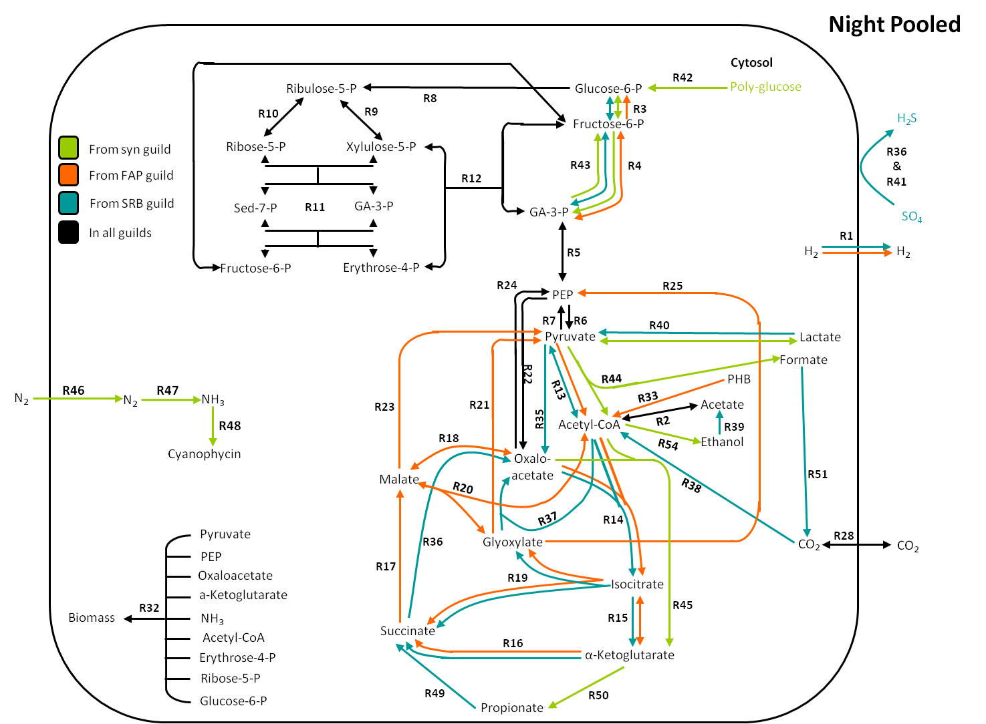
Reaction 1: R1 : | H2_gen ==> H2ex_gen
Reaction 2: R2 : | ac_gen + ATP_gen <==> ac_CoA_gen
Reaction 3: R3 : | fru6p_gen <==> glc6p_gen
Reaction 4: R4 : | 2 ga3p_gen <==> ATP_gen + fru6p_gen
Reaction 5: R5 : | ATP_gen + NADH_gen + PEP_gen <==> ga3p_gen
Reaction 6: R6 : | PEP_gen ==> ATP_gen + pyr_gen
Reaction 7: R7 : | 2 ATP_gen + pyr_gen ==> PEP_gen
Reaction 8: R8 : | glc6p_gen ==> CO2_gen + 2 NADH_gen + rbl5p_gen
Reaction 9: R9 : | rbl5p_gen <==> xll5p_gen
Reaction 10: R10 : | rbl5p_gen <==> rbo5p_gen
Reaction 11: R11 : | rbo5p_gen + xll5p_gen <==> ery4p_gen + fru6p_gen
Reaction 12: R12 : | ery4p_gen + xll5p_gen <==> fru6p_gen + ga3p_gen
Reaction 13: R13 : | pyr_gen <==> ac_CoA_gen + CO2_gen + NADH_gen
Reaction 14: R14 : | ac_CoA_gen + oaa_gen ==> icit_gen
Reaction 15: R15 : | icit_gen <==> akg_gen + CO2_gen + NADH_gen
Reaction 16: R16 : | akg_gen ==> ATP_gen + CO2_gen + NADH_gen + succ_gen
Reaction 17: R17 : | 2 succ_gen + O2_gen ==> 2.5 ATP_gen + 2 mal_gen
Reaction 18: R18 : | mal_gen <==> NADH_gen + oaa_gen
Reaction 19: R19 : | icit_gen ==> glyox_gen + succ_gen
Reaction 20: R20 : | ac_CoA_gen + glyox_gen <==> mal_gen
Reaction 21: R21 : | 4 ATP_gen + CO2_gen + glyox_gen + 3 NADH_gen ==> pyr_gen
Reaction 22: R22 : | CO2_gen + PEP_gen ==> oaa_gen
Reaction 23: R23 : | mal_gen ==> CO2_gen + NADH_gen + pyr_gen
Reaction 24: R24 : | ATP_gen + oaa_gen ==> CO2_gen + PEP_gen
Reaction 25: R25 : | ATP_gen + 2 glyox_gen + NADH_gen ==> CO2_gen + PEP_gen
Reaction 26: R26 : | 2 NADH_gen + O2_gen ==> 5 ATP_gen
Reaction 27: R27 : | ATP_gen ==> ATPex_gen
Reaction 28: R28 : | CO2_gen <==> CO2ex_gen
Reaction 29: R29 : | H2_gen ==> NADH_gen
Reaction 30: R30 : | ATP_gen + 4 NADH_gen ==> 4 H2_gen
Reaction 31: R32 : | 1.233 ac_CoA_gen + 1.472 akg_gen + 50 ATP_gen + 0.531 ery4p_gen + 0.069 glc6p_gen + 14.653 NADH_gen + 12.513 NH3_gen + 2.379 oaa_gen + 2.67 PEP_gen + 4.057 pyr_gen + 0.787 rbo5p_gen ==> bm_gen
Reaction 32: R33 : | 2 ATP_gen + PHB_gen ==> 2 ac_CoA_gen + NADH_gen
Reaction 33: R35 : | ATP_gen + CO2_gen + pyr_gen ==> oaa_gen
Reaction 34: R36 : | 2 succ_gen + SO4_gen ==> 0.25 ATP_gen + 2 oaa_gen + H2S_gen
Reaction 35: R37 : | ac_CoA_gen + glyox_gen ==> NADH_gen + oaa_gen
Reaction 36: R38 : | ATP_gen + 2 CO2_gen + 4 NADH_gen ==> ac_CoA_gen
Reaction 37: R39 : | etoh_gen ==> ac_gen + 2 NADH_gen
Reaction 38: R40 : | lac_gen <==> NADH_gen + pyr_gen
Reaction 39: R41 : | 4 NADH_gen + SO4_gen ==> 0.75 ATP_gen + H2S_gen
Reaction 40: R42 : | ATP_gen + polyglcex_gen ==> glc6p_gen
Reaction 41: R43 : | 2 ga3p_gen ==> fru6p_gen
Reaction 42: R44 : | pyr_gen ==> ac_CoA_gen + form_gen
Reaction 43: R45 : | ac_CoA_gen + oaa_gen ==> akg_gen + CO2_gen + NADH_gen
Reaction 44: R46 : | N2ex_gen ==> N2_gen
Reaction 45: R47 : | 16 ATP_gen + 4 NADH_gen + N2_gen ==> H2_gen + 2 NH3_gen
Reaction 46: R48 : | ATP_gen + NH3_gen ==> cypc_gen
Reaction 47: R49 : | ATP_gen + CO2_gen + prop_gen ==> succ_gen
Reaction 48: R50 : | akg_gen ==> 2 ATP_gen + 2 CO2_gen + NADH_gen + prop_gen
Reaction 49: R51 : | form_gen ==> CO2_gen + NADH_gen
Reaction 50: R52 : | H2S_gen ==> H2Sex_gen
Reaction 51: R53 : | SO4ex_gen ==> SO4_gen
Reaction 52: R54 : | ac_CoA_gen + 2 NADH_gen ==> etoh_gen

Sample_Calc
Biomass guild fraction sample calculation for linear combinations of two modes

 |  | Summary of properties from modes labeled 1,2,3 in figure to the right. |  |  |  |  |  |  |  |  |  |  |  |  | abbreviations:

 |  |  |  |  |  |  |  |  |  |  |  |  |  |  | cyano = cyanobacteria
 |  | mode | 1 | 2 | 3 |  |  |  |  |  |  |  |  |  | fap = filamentous anoxygenic phototrophs
 |  | hν absorbed | 393.51 | 7402.27 | 2762.22 |  |  |  |  |  |  |  |  |  | srb = sulfate reducing bacteria
 |  | Cmol cyano biomass | 46.00 | 0.00 | 0.00 |  |  |  |  |  |  |  |  |  | bm = biomass
 |  | Cmol fap biomass | 0.00 | 539.02 | 171.41 |  |  |  |  |  |  |  |  |  | Cmole = carbon mole
 |  | Cmol srb biomass | 0.00 | 0.00 | 0.00 |  |  |  |  |  |  |  |  |  | hv = photosynthetically available photon
 |  | O2 flux through rubisco | 0.00 | 149.25 | 111.60 |  |  |  |  |  |  |  |  |  | rubisco = ribulose-1,5-bisphosphate carboxylase/oxygenase
 |  | CO2 flux through rubisco | 46.32 | 841.33 | 223.20
 |  | Ybm/hv | 0.117 | 0.073 | 0.062
 |  | O2 competition | 0.000 | 0.177 | 0.500

 |  | The mode properties were normalized to a 1 photon basis.

 |  | mode (normalized) | 1 | 2 | 3
 |  | hν absorbed | 1.00 | 1.00 | 1.00
 |  | Cmol cyano biomass | 0.12 | 0.00 | 0.00
 |  | Cmol fap biomass | 0.00 | 0.07 | 0.06
 |  | Cmol srb biomass | 0.00 | 0.00 | 0.00
 |  | O2 flux through rubisco | 0.00 | 0.02 | 0.04
 |  | CO2 flux through rubisco | 0.12 | 0.11 | 0.08
 |  | Ybm/hv | 0.117 | 0.073 | 0.062
 |  | O2 competition | 0.000 | 0.177 | 0.500

 | Next, modes were combined in weighted pairs.
 | Linear combinations of modes 1 and 2 (case i) represented 'selfish' scenarios where biomass yield was optimized individually by guild, while combinations of modes 1 and 3 (case ii) represented community-oriented strategies optimizing biomass yield for the mat as a whole.
 | Oxygen competition at rubisco, overall biomass yield, and biomass compositions were calculated in each case for combinations with fractional weights from zero to one for each normalized mode (see data tables below, and associated chart). This step neglects microbial transport and death rates so that the ratio of productivity dominates steady-state composition. |  |  |  |  |  |  |  |  |  |  | O2/CO2 @ rubisco | Ybm/hv | fraction cyano bm (cmol cyano bm/ Cmole total bm) | ratio cyano Cmole bm/fap Cmole bm | These calculations can be performed more efficiently using the following equations, where f1 is the fractional contribution of the first mode, x is the target flux ratio, and νi,j represents a flux from the target ratio in an individual mode. Subscript i specifies the flux (1 for numerator, 2 for denominator), while subscript j specifies the mode. P represents the property to be calculated. This property MUST be a ratio: the values in an elementary mode are relative rather than absolute. pk,m represents the numerator (k=1) or denominator (k=2) of that property for the mth mode.
 | Experimental evidence (Bateson and Ward, 1998) was used to derive estimates for a midafternoon range of O2/CO2 flux ratios from 0.034 - 0.068. |  |  |  |  |  |  |  |  |  | case i | 0.034 | 0.108 | 0.867 | 6.543
 |  | This range is highlighted blue in the data tables and boxed in the associated plot (below right). |  |  |  |  |  |  |  |  |  | 0.068 | 0.100 | 0.714 | 2.495
 | The bounding cases (marked in red on the above plot) were treated approximately with linear interpolation. |  |  |  |  |  |  |  |  |  | case ii | 0.034 | 0.112 | 0.947 | 17.737
 |  | Those results are provided in the red table to the right. |  |  |  |  |  |  |  |  |  | 0.068 | 0.107 | 0.891 | 8.216

Biomass yields and ratios of guild-specific biomass production
 | Ybm/hv (case i) |  | Ybm/hv (case ii) |  | fraction cyano bm (case i) |  | fraction cyano bm (case ii)
0.1774 | 0.0728 | 0.5000 | 0.0621 | 0.1774 | 0.0000 | 0.5000 | 0.0000
0.1737 | 0.0737 | 0.4856 | 0.0632 | 0.1737 | 0.0317 | 0.4856 | 0.0370
0.1701 | 0.0746 | 0.4714 | 0.0642 | 0.1701 | 0.0627 | 0.4714 | 0.0728
0.1664 | 0.0755 | 0.4575 | 0.0653 | 0.1664 | 0.0929 | 0.4575 | 0.1073
0.1627 | 0.0763 | 0.4438 | 0.0664 | 0.1627 | 0.1225 | 0.4438 | 0.1407
0.1591 | 0.0772 | 0.4303 | 0.0675 | 0.1591 | 0.1514 | 0.4303 | 0.1731
0.1554 | 0.0781 | 0.4171 | 0.0686 | 0.1554 | 0.1796 | 0.4171 | 0.2044
0.1518 | 0.0790 | 0.4042 | 0.0697 | 0.1518 | 0.2072 | 0.4042 | 0.2347
0.1482 | 0.0799 | 0.3914 | 0.0708 | 0.1482 | 0.2342 | 0.3914 | 0.2640
0.1445 | 0.0807 | 0.3789 | 0.0719 | 0.1445 | 0.2606 | 0.3789 | 0.2925
0.1409 | 0.0816 | 0.3665 | 0.0730 | 0.1409 | 0.2864 | 0.3665 | 0.3201
0.1373 | 0.0825 | 0.3544 | 0.0741 | 0.1373 | 0.3116 | 0.3544 | 0.3469
0.1337 | 0.0834 | 0.3425 | 0.0752 | 0.1337 | 0.3364 | 0.3425 | 0.3730
0.1301 | 0.0843 | 0.3307 | 0.0763 | 0.1301 | 0.3606 | 0.3307 | 0.3982
0.1265 | 0.0852 | 0.3192 | 0.0774 | 0.1265 | 0.3843 | 0.3192 | 0.4228
0.1229 | 0.0860 | 0.3078 | 0.0785 | 0.1229 | 0.4076 | 0.3078 | 0.4467
0.1193 | 0.0869 | 0.2966 | 0.0796 | 0.1193 | 0.4303 | 0.2966 | 0.4699
0.1157 | 0.0878 | 0.2856 | 0.0807 | 0.1157 | 0.4526 | 0.2856 | 0.4925
0.1121 | 0.0887 | 0.2748 | 0.0818 | 0.1121 | 0.4745 | 0.2748 | 0.5144
0.1085 | 0.0896 | 0.2641 | 0.0829 | 0.1085 | 0.4959 | 0.2641 | 0.5358
0.1049 | 0.0904 | 0.2537 | 0.0840 | 0.1049 | 0.5169 | 0.2537 | 0.5567
0.1014 | 0.0913 | 0.2433 | 0.0851 | 0.1014 | 0.5375 | 0.2433 | 0.5770
0.0978 | 0.0922 | 0.2331 | 0.0862 | 0.0978 | 0.5578 | 0.2331 | 0.5968
0.0942 | 0.0931 | 0.2231 | 0.0873 | 0.0942 | 0.5776 | 0.2231 | 0.6160
0.0907 | 0.0940 | 0.2132 | 0.0884 | 0.0907 | 0.5971 | 0.2132 | 0.6349
0.0871 | 0.0949 | 0.2035 | 0.0895 | 0.0871 | 0.6161 | 0.2035 | 0.6532
0.0836 | 0.0957 | 0.1939 | 0.0906 | 0.0836 | 0.6349 | 0.1939 | 0.6711
0.0801 | 0.0966 | 0.1845 | 0.0917 | 0.0801 | 0.6533 | 0.1845 | 0.6886
0.0765 | 0.0975 | 0.1752 | 0.0928 | 0.0765 | 0.6714 | 0.1752 | 0.7056
0.0730 | 0.0984 | 0.1660 | 0.0939 | 0.0730 | 0.6891 | 0.1660 | 0.7223
0.0695 | 0.0993 | 0.1570 | 0.0950 | 0.0695 | 0.7066 | 0.1570 | 0.7386
0.0680 | 0.0996 | 0.1481 | 0.0961 | 0.0680 | 0.7139 | 0.1481 | 0.7545
0.0677 | 0.0997 | 0.1393 | 0.0971 | 0.0677 | 0.7152 | 0.1393 | 0.7700
0.0660 | 0.1001 | 0.1306 | 0.0982 | 0.0660 | 0.7237 | 0.1306 | 0.7852
0.0642 | 0.1006 | 0.1221 | 0.0993 | 0.0642 | 0.7321 | 0.1221 | 0.8001
0.0624 | 0.1010 | 0.1137 | 0.1004 | 0.0624 | 0.7405 | 0.1137 | 0.8146
0.0607 | 0.1015 | 0.1054 | 0.1015 | 0.0607 | 0.7488 | 0.1054 | 0.8289
0.0589 | 0.1019 | 0.0972 | 0.1026 | 0.0589 | 0.7570 | 0.0972 | 0.8428
0.0572 | 0.1023 | 0.0891 | 0.1037 | 0.0572 | 0.7652 | 0.0891 | 0.8564
0.0554 | 0.1028 | 0.0811 | 0.1048 | 0.0554 | 0.7733 | 0.0811 | 0.8698
0.0537 | 0.1032 | 0.0732 | 0.1059 | 0.0537 | 0.7813 | 0.0732 | 0.8828
0.0519 | 0.1037 | 0.0693 | 0.1065 | 0.0519 | 0.7893 | 0.0693 | 0.8893
0.0502 | 0.1041 | 0.0680 | 0.1067 | 0.0502 | 0.7972 | 0.0680 | 0.8915
0.0484 | 0.1045 | 0.0655 | 0.1070 | 0.0484 | 0.8050 | 0.0655 | 0.8956
0.0467 | 0.1050 | 0.0616 | 0.1076 | 0.0467 | 0.8127 | 0.0616 | 0.9019
0.0449 | 0.1054 | 0.0578 | 0.1081 | 0.0449 | 0.8204 | 0.0578 | 0.9082
0.0432 | 0.1059 | 0.0540 | 0.1087 | 0.0432 | 0.8280 | 0.0540 | 0.9143
0.0415 | 0.1063 | 0.0503 | 0.1092 | 0.0415 | 0.8356 | 0.0503 | 0.9204
0.0397 | 0.1067 | 0.0465 | 0.1098 | 0.0397 | 0.8431 | 0.0465 | 0.9265
0.0380 | 0.1072 | 0.0428 | 0.1103 | 0.0380 | 0.8505 | 0.0428 | 0.9325
...
 | case i |  |  |  |  | case ii
 | fraction mode 1, f1 | O2/CO2 @ rubisco | Ybm/hv | fraction cyano bm (Cmoles cyano bm / Cmole total bm) | ratio cyano Cmole bm/fap Cmole bm | fraction mode 1, f1 | O2/CO2 @ rubisco | Ybm/hv | fraction cyano bm (Cmoles cyano bm / Cmole total bm) | ratio cyano Cmole bm/fap Cmole bm
 | 0.000 | 0.1774 | 0.0728 | 0.0000 | 0.0000 | 0.000 | 0.5000 | 0.0621 | 0.0000 | 0.0000
 | 0.020 | 0.1737 | 0.0737 | 0.0317 | 0.0328 | 0.020 | 0.4856 | 0.0632 | 0.0370 | 0.0384
 | 0.040 | 0.1701 | 0.0746 | 0.0627 | 0.0669 | 0.040 | 0.4714 | 0.0642 | 0.0728 | 0.0785
 | 0.060 | 0.1664 | 0.0755 | 0.0929 | 0.1025 | 0.060 | 0.4575 | 0.0653 | 0.1073 | 0.1202
 | 0.080 | 0.1627 | 0.0763 | 0.1225 | 0.1396 | 0.080 | 0.4438 | 0.0664 | 0.1407 | 0.1638
 | 0.100 | 0.1591 | 0.0772 | 0.1514 | 0.1784 | 0.100 | 0.4303 | 0.0675 | 0.1731 | 0.2093
 | 0.120 | 0.1554 | 0.0781 | 0.1796 | 0.2189 | 0.120 | 0.4171 | 0.0686 | 0.2044 | 0.2568
 | 0.140 | 0.1518 | 0.0790 | 0.2072 | 0.2613 | 0.140 | 0.4042 | 0.0697 | 0.2347 | 0.3066
 | 0.160 | 0.1482 | 0.0799 | 0.2342 | 0.3057 | 0.160 | 0.3914 | 0.0708 | 0.2640 | 0.3588
 | 0.180 | 0.1445 | 0.0807 | 0.2606 | 0.3524 | 0.180 | 0.3789 | 0.0719 | 0.2925 | 0.4135
 | 0.200 | 0.1409 | 0.0816 | 0.2864 | 0.4013 | 0.200 | 0.3665 | 0.0730 | 0.3201 | 0.4709
 | 0.220 | 0.1373 | 0.0825 | 0.3116 | 0.4527 | 0.220 | 0.3544 | 0.0741 | 0.3469 | 0.5313
 | 0.240 | 0.1337 | 0.0834 | 0.3364 | 0.5069 | 0.240 | 0.3425 | 0.0752 | 0.3730 | 0.5948
 | 0.260 | 0.1301 | 0.0843 | 0.3606 | 0.5640 | 0.260 | 0.3307 | 0.0763 | 0.3982 | 0.6618
 | 0.280 | 0.1265 | 0.0852 | 0.3843 | 0.6242 | 0.280 | 0.3192 | 0.0774 | 0.4228 | 0.7325
 | 0.300 | 0.1229 | 0.0860 | 0.4076 | 0.6879 | 0.300 | 0.3078 | 0.0785 | 0.4467 | 0.8072
 | 0.320 | 0.1193 | 0.0869 | 0.4303 | 0.7554 | 0.320 | 0.2966 | 0.0796 | 0.4699 | 0.8864
 | 0.340 | 0.1157 | 0.0878 | 0.4526 | 0.8269 | 0.340 | 0.2856 | 0.0807 | 0.4925 | 0.9703
 | 0.360 | 0.1121 | 0.0887 | 0.4745 | 0.9029 | 0.360 | 0.2748 | 0.0818 | 0.5144 | 1.0595
 | 0.380 | 0.1085 | 0.0896 | 0.4959 | 0.9838 | 0.380 | 0.2641 | 0.0829 | 0.5358 | 1.1544
 | 0.400 | 0.1049 | 0.0904 | 0.5169 | 1.0701 | 0.400 | 0.2537 | 0.0840 | 0.5567 | 1.2557
 | 0.420 | 0.1014 | 0.0913 | 0.5375 | 1.1624 | 0.420 | 0.2433 | 0.0851 | 0.5770 | 1.3639
 | 0.440 | 0.0978 | 0.0922 | 0.5578 | 1.2612 | 0.440 | 0.2331 | 0.0862 | 0.5968 | 1.4799
 | 0.460 | 0.0942 | 0.0931 | 0.5776 | 1.3674 | 0.460 | 0.2231 | 0.0873 | 0.6160 | 1.6045
 | 0.480 | 0.0907 | 0.0940 | 0.5971 | 1.4817 | 0.480 | 0.2132 | 0.0884 | 0.6349 | 1.7386
 | 0.500 | 0.0871 | 0.0949 | 0.6161 | 1.6052 | 0.500 | 0.2035 | 0.0895 | 0.6532 | 1.8835
 | 0.520 | 0.0836 | 0.0957 | 0.6349 | 1.7389 | 0.520 | 0.1939 | 0.0906 | 0.6711 | 2.0405
 | 0.540 | 0.0801 | 0.0966 | 0.6533 | 1.8843 | 0.540 | 0.1845 | 0.0917 | 0.6886 | 2.2111
 | 0.560 | 0.0765 | 0.0975 | 0.6714 | 2.0430 | 0.560 | 0.1752 | 0.0928 | 0.7056 | 2.3972
 | 0.580 | 0.0730 | 0.0984 | 0.6891 | 2.2167 | 0.580 | 0.1660 | 0.0939 | 0.7223 | 2.6011
 | 0.600 | 0.0695 | 0.0993 | 0.7066 | 2.4078 | 0.600 | 0.1570 | 0.0950 | 0.7386 | 2.8253
 | 0.609 | 0.0680 | 0.0996 | 0.7139 | 2.4949 | 0.620 | 0.1481 | 0.0961 | 0.7545 | 3.0731
experimental O₂/CO₂ flux range
 | 0.610 | 0.0677 | 0.0997 | 0.7152 | 2.5107 | 0.640 | 0.1393 | 0.0971 | 0.7700 | 3.3485
 | 0.620 | 0.0660 | 0.1001 | 0.7237 | 2.6190 | 0.660 | 0.1306 | 0.0982 | 0.7852 | 3.6563
 | 0.630 | 0.0642 | 0.1006 | 0.7321 | 2.7331 | 0.680 | 0.1221 | 0.0993 | 0.8001 | 4.0025
 | 0.640 | 0.0624 | 0.1010 | 0.7405 | 2.8537 | 0.700 | 0.1137 | 0.1004 | 0.8146 | 4.3949
 | 0.650 | 0.0607 | 0.1015 | 0.7488 | 2.9811 | 0.720 | 0.1054 | 0.1015 | 0.8289 | 4.8434
 | 0.660 | 0.0589 | 0.1019 | 0.7570 | 3.1159 | 0.740 | 0.0972 | 0.1026 | 0.8428 | 5.3608
 | 0.670 | 0.0572 | 0.1023 | 0.7652 | 3.2590 | 0.760 | 0.0891 | 0.1037 | 0.8564 | 5.9645
 | 0.680 | 0.0554 | 0.1028 | 0.7733 | 3.4110 | 0.780 | 0.0811 | 0.1048 | 0.8698 | 6.6780
 | 0.690 | 0.0537 | 0.1032 | 0.7813 | 3.5728 | 0.800 | 0.0732 | 0.1059 | 0.8828 | 7.5341
 | 0.700 | 0.0519 | 0.1037 | 0.7893 | 3.7454 | 0.810 | 0.0693 | 0.1065 | 0.8893 | 8.0298
 | 0.710 | 0.0502 | 0.1041 | 0.7972 | 3.9299 | 0.814 | 0.0680 | 0.1067 | 0.8915 | 8.2159
 | 0.720 | 0.0484 | 0.1045 | 0.8050 | 4.1276 | 0.820 | 0.0655 | 0.1070 | 0.8956 | 8.5806
 | 0.730 | 0.0467 | 0.1050 | 0.8127 | 4.3399 | 0.830 | 0.0616 | 0.1076 | 0.9019 | 9.1961
 | 0.740 | 0.0449 | 0.1054 | 0.8204 | 4.5686 | 0.840 | 0.0578 | 0.1081 | 0.9082 | 9.8886
 | 0.750 | 0.0432 | 0.1059 | 0.8280 | 4.8155 | 0.850 | 0.0540 | 0.1087 | 0.9143 | 10.6734
 | 0.760 | 0.0415 | 0.1063 | 0.8356 | 5.0831 | 0.860 | 0.0503 | 0.1092 | 0.9204 | 11.5703
 | 0.770 | 0.0397 | 0.1067 | 0.8431 | 5.3739 | 0.870 | 0.0465 | 0.1098 | 0.9265 | 12.6052
 | 0.780 | 0.0380 | 0.1072 | 0.8505 | 5.6911 | 0.880 | 0.0428 | 0.1103 | 0.9325 | 13.8126
 | 0.790 | 0.0362 | 0.1076 | 0.8579 | 6.0385 | 0.890 | 0.0391 | 0.1109 | 0.9384 | 15.2395
 | 0.800 | 0.0345 | 0.1081 | 0.8652 | 6.4207 | 0.900 | 0.0354 | 0.1114 | 0.9443 | 16.9518
 | 0.803 | 0.0340 | 0.1082 | 0.8674 | 6.5429 | 0.904 | 0.0340 | 0.1116 | 0.9466 | 17.7366
 | 0.820 | 0.0310 | 0.1090 | 0.8797 | 7.3125 | 0.920 | 0.0282 | 0.1125 | 0.9559 | 21.6607
 | 0.840 | 0.0276 | 0.1098 | 0.8939 | 8.4272 | 0.940 | 0.0210 | 0.1136 | 0.9672 | 29.5087
 | 0.860 | 0.0241 | 0.1107 | 0.9079 | 9.8604 | 0.960 | 0.0139 | 0.1147 | 0.9784 | 45.2048
 | 0.880 | 0.0206 | 0.1116 | 0.9217 | 11.7713 | 0.980 | 0.0069 | 0.1158 | 0.9893 | 92.2932
 | 0.900 | 0.0172 | 0.1125 | 0.9353 | 14.4466 | 1.000 | 0.0000 | 0.1169 | 1.0000 | -4241344618017379.0000
 | 0.920 | 0.0137 | 0.1134 | 0.9486 | 18.4596
 | 0.940 | 0.0103 | 0.1142 | 0.9618 | 25.1478
 | 0.960 | 0.0069 | 0.1151 | 0.9747 | 38.5243
 | 0.980 | 0.0034 | 0.1160 | 0.9874 | 78.6539
 | 1.000 | 0.0000 | 0.1169 | 1.0000 | -3614545965810735.5000

